LineGraph
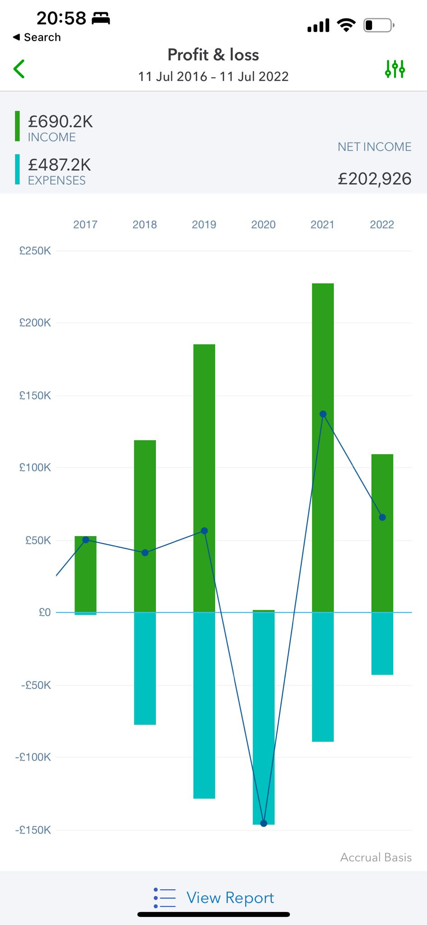

Graph
Year
$0
$0
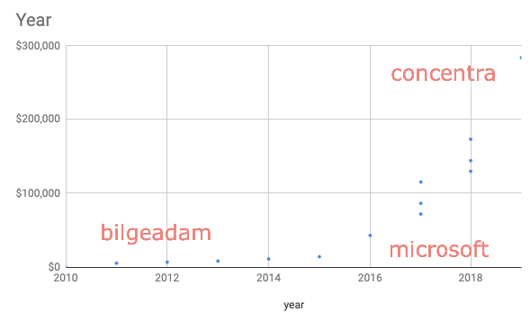
$0
$0
$0
$0
$0
Year
$11,520
$5,760
$17,280
$7,200
$7,200
$8,640
$8,640
$11,520
$11,520
$14,400
$14,400
$21,600
$21,600
$28,800
$28,800
$43,200
$43,200
$72,000
$72,000
$86,400
$86,400

